Sheet1
Collection Guideline for Chlamydia, Gonorrhea, Trichomonas and Bacterial Vaginosis Molecular Tests (Send Out)
SPECIMEN CONTAINER | APTIMA Vaginal Swab | APTIMA Unisex Swab |  |  | APTIMA Urine Collection Kit | BD AffirmTM VPIII Swab Collection System
SPECIMEN SOURCE | Vaginal | Vaginal | Endocervical | Urethral | Urine | Vaginal
EPIC TEST ORDERS | 1. CHLAMYDIA/ G.C. AMPLIFICATION LABC4049 2. CHLAM/N.GON, ANAL/RECTAL, TMA (SEND OUT)LABC1460 3. CHLAM/N.GON, ORAL/THROAT, TMA LABC1470 4.TRICHOMONAS SCREEN(SEND OUT) LAB1380 | 1. CHLAMYDIA/ G.C. AMPLIFICATION LABC4049 2. CHLAM/N.GON, ANAL/RECTAL, TMA (SEND OUT) LABC1460 3. CHLAM/N.GON, ORAL/THROAT, TMA LABC1470 4. TRICHOMONAS SCREEN(SEND OUT) LAB1380 5. GC AMPLIFICATION LABC1490 6 .CHLAMYDIA AMPLIFICATION [LABC4050] |  |  | 1. CHLAMYDIA AMPLIFICATION [LABC4050] 2.CHLAMYDIA/ G.C. AMPLIFICATION LABC4049 3. GC AMPLIFICATION LABC1490 4.TRICHOMONAS SCREEN(SEND OUT) LAB1380 | BACTERIAL VAGINOSIS PANEL
CERNER TEST ORDERS | CTNGAMP,CTNGANAL,CTNGORAL,TRICHAMP | CTNGAMP,CTNGANAL,CTNGORAL,TRICHAMP,GC AMPLIFICATION, CTAMP |  |  | CTAMP,CTNGAMP,GC AMPLIFICATION, TRICHAMP | AFFIRM
CONTAINER IMAGE | 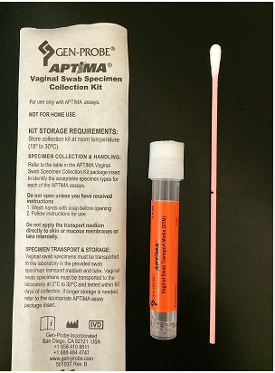 | 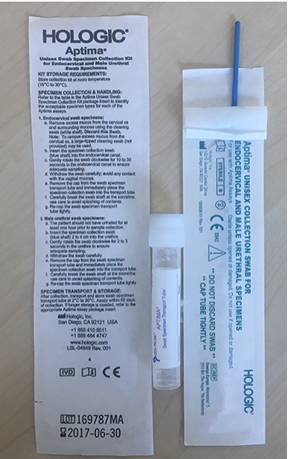 Note: Please do not send the white cleaning swab |  |  | 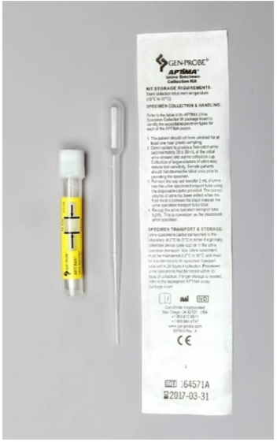 | 